Test Plan
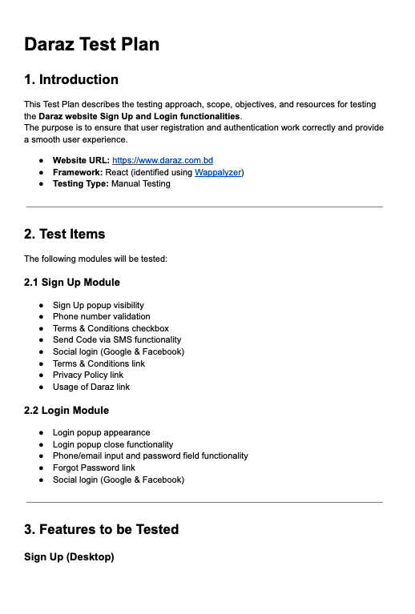

Click here to see the full file.

Mind Map
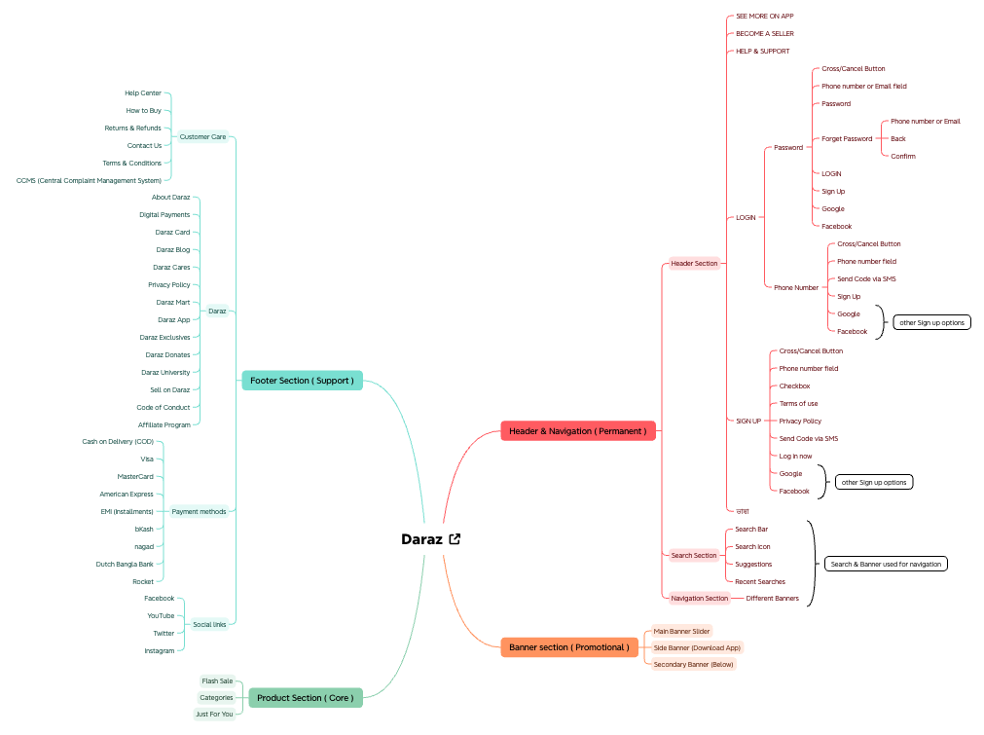
Mind Map of Daraz (Desktop Mode)

Test Summary
Test Case Report
Test Case Report
TEST SUMMARY REPORT

Project Name | Daraz
Module Name | Sign Up & Login
Prepared By | Nur Jahan Smrity

Matric | Value
Total Test Cases | 79
Executed | 79
Passed | 62
Failed | 16
Not Run | 0
Blocked | 0
Improvement | 1

LIMITATIONS
Documents |  |  |  | Received | Useful
PRD |  |  |  | No | No
USER STORY |  |  |  | No | No

Testing Type | In Scope / Description | Yes/No | Justification (If No)
Functional Testing | Sign up flow, Login flow, Buttons, fields, validations | Yes | –
Integration Testing | End-to-end integration between modules/services (like backend APIs, payment, full system flow) | No | End-to-end integration was not fully tested.
Negative Testing | Invalid phone number, Empty input, Wrong format | Yes | –
Usability Testing | UI clarity (e.g., “usage of Daraz” unclear), Spelling issues, User experience problems | Yes | –
Browser Compatibility Testing | Cross-browser testing | No | Testing was performed only on a single browser (Chrome); cross-browser compatibility was not covered.
Boundary Value Testing | Extra digits, Less digits, Edge cases in phone number | Yes | –
Risk-Based / Regression Testing | Regression or risk-based prioritization | No | Not performed due to limited scope and no previous build comparison.

